Title page
 | Green Deal Circular Festivals Monitoring Tool A Climate Impact & Circularity Assessment Tool for Festivals | version 1.0 July 2026

This tool was developed by the Green Deal Circular Festivals (GDCF) – a European collaboration of pioneering festivals, facilitated by the Dutch Ministry of Infrastructure and Water Management. This free tool brings together all the knowledge and experience gained throughout the GDCF journey (2019–2025). As the GDCF comes to an end, the tool continues its legacy by sharing insights with all interested parties. Above all, this tool helps festival and event organisers measure their climate impact and circularity performance. Measuring is essential to identify where change is needed, track progress, and make data-driven decisions towards truly sustainable events. Below, the different parts of this tool are described. For further instructions on how to use the tool, please refer to the accompanying User Guide. Good luck with data collection, filling the input sheet and interpreting your results. We hope this tool will help you in your journey towards a climate neutral and circular event. Onward!

Manual
To use the tool - check these pages:
 | This page provides context and explanation for collecting data and using the input sheet.

Input sheet
 | This page is used to register the data for your festival.

Results
 | This page displays a general overview of the monitoring results for your festival.

Results - deep dive
 | This page provides the possibility to construct your own detailled figures.

Emission factor - list
 | This page displays the list with emission factors used for the emission calculations.

CO2-calculation
Want to take an indepth look into the tool - check these pages:
 | This page displays the basic calculations/conversions for establishing the CO2-footprint.

Facilitatory data
 | This page displays the intermediate and background calculations/conversions for establishing the CO2-footprint.

EF-background info
 | This page displays extra information/sources used to determine the emisisons factors in 'Emission factors - list'.

The Green Deal Circular Festivals Monitoring Tool was developed by Haskoning and Lab Vlieland, with contributions from the GDCF Monitor Working Group and participating festivals. The Monitoring Tool builds on prior work in the field, including A Greener Future's Assessment Framework, the Festival Material Flow Analysis developed by DGTL and Metabolic, and the Environment-i-meter developed by Lab Vlieland in collaboration with Utrecht University. The development of the Monitoring Tool was informed by the principles of the Greenhouse Gas Protocol.

Results
To refresh charts:
Navigate to 'Data' menu; Press 'Refresh all' multiple times
 | Dashboard Green Deal Circular Festivals |  | 0 | This page displays a general overview of the monitoring results for your festival.
 | Measuring festivals' climate and material footprint

Quick Facts | Goal: climate neutral and circular
Start date: | Towards Climate Neutrality: The primary goal is to reduce gross emissions as much as possible. Any remaining emissions should then be compensated for. The ultimate objective is to eliminate all greenhouse gas emissions across the entire operation.
0 | Towards Circularity: The goal is to close the loop - sourcing all procured materials as bio-based, recycled, and/or second-hand, and ensuring that all materials are reused, recycled, or composted at the end of their life cycle.
Distribution Gross co2-emissions (ton co2-eq)
 | Total
Energy | -
Materials procured | -
Materials cups, tableware, cutlery | -
Materials end-of-life | -
Travel | -
Transport | -
Water | -
Food | -
Drinks | -
Overnight stay | -
Digital | -
Procured materials (KG)
 | Total
Recycled / Second Hand | 0
Virgin - Bio-based | 0
Virgin | 0
Duration: |  |  |  |  | Key figures:
days

Location: |  |  |  |  |  | Average CO2-emission per visitor-day:
, |  |  |  |  |  | Gross | kg CO2-eq/visitor-day
 |  |  |  |  |  | Net | kg CO2-eq/visitor-day
Open or enclosed:
0 |  |  |  |  |  | Average mass 'Procured materials' per visitor-day:
 |  |  |  |  |  | Circular | kg/visitor-day
Indoor or outdoor: |  |  |  |  |  | Non-circular | kg/visitor-day
0
 |  |  |  |  |  | Average mass 'End-of-life materials' per visitor-day:
Own festival campsite: |  |  |  |  |  | Recycled | kg/visitor-day
No campsite |  |  |  |  |  | Residual | kg/visitor-day

End-of-life materials (kg)
 | Total
Separated for recycling | 0
Residual waste | 0
Weather: |  |  |  |  |  | Ratio sustainable / non-sustainable kilometers travelled:
degrees and |  |  |  |  |  | Sustainable | km/visitor-day
 |  |  |  |  |  | Non-sustainable | km/visitor-day
Avg number of visitors per day:
 |  |  |  |  |  | Average water use per visitor day:
Gross CO2-emissions: 0 ton CO2-eq
 |  |  |  |  |  | Potable | litres/visitor-day
Crew members and volunteers: |  |  |  |  |  | Non-potable | litres/visitor-day
0
Net CO2-emissions (ton co2-eq)
 | Net CO2-emissions | CO2-Compensation | Gross CO2-emissions
Total | - | - | -
 |  |  |  |  |  | Average CO2-emission for 'Food and drinks':
Suppliers and contractors: |  |  |  |  |  | Meal | kg CO2-eq/meal
0 |  |  |  |  |  | Drinks | kg CO2-eq/litre

 |  |  |  |  |  | Average CO2-emission per overnight stay
 |  |  |  |  |  | External | kg CO2-eq/stay

 |  | Carbon removal and fuel replacement

 | IMPORTANT: If these fields do not show the results as expected, make sure that you have refreshed this sheet (see instructions on top of this page) and that ALL red marked cells in the Input Sheet Tab (rows 18-19 and 30-44) are filled in. Either with data, or with 0 if applicable.

Results - deep dive
To refresh charts:
Navigate to 'Data' menu; Press 'Refresh all' multiple times
 | Dashboard Green Deal Circular Festivals | 0 | This page displays a detailed overview of the monitoring results for your festival.
 | Measuring festivals' climate and material footprint |  | Use the menus to the right to create your own figures.

Quick Facts | Goal: climate neutral and circular
Start date: | Towards Climate Neutrality: The primary goal is to reduce gross emissions as much as possible. Any remaining emissions should then be compensated for. The ultimate objective is to eliminate all greenhouse gas emissions across the entire operation.
0 | Towards Circularity: The goal is to close the loop - sourcing all procured materials as bio-based, recycled, and/or second-hand, and ensuring that all materials are reused, recycled, or composted at the end of their life cycle.

Detailed CO2-overview per category (kg CO2-eq)
 | Electricity - Grid - Non-renewable | Electricity - Grid - Renewable | Electricity - Local prod. - Renewable | Electricity - Batteries - Non-renewable | Electricity - Batteries - Renewable | Biofuel - Generators - Sustainable | Diesel - Generators - Non-sustainable | Biogas - Grid and bottles - Non-sustainable | Natural gas - Grid - Non-sustainable | Natural gas - Bottles - Non-sustainable | Hydrogen - Generators - Non-sustainable | Hydrogen - Generators - Sustainable
Energy | - | - | - | - | - | - | - | - | - | - | - | -
Duration: | Climate data:
days

Location:
,

Open or enclosed:
0

Indoor or outdoor:
0

Own festival campsite:
No campsite

Weather:
degrees and

Avg number of visitors per day:

Crew members and volunteers:
0

Suppliers and contractors:
0

Scroll down for extra figures

 | Acitivity data:
Activity data per category (multiple units)
 | Electricity - Grid - Non-renewable | Electricity - Grid - Renewable | Electricity - Local prod. - Renewable | Electricity - Batteries - Non-renewable | Electricity - Batteries - Renewable | Biofuel - Generators - Sustainable | Diesel - Generators - Non-sustainable | Biogas - Grid and bottles - Non-sustainable | Natural gas - Grid - Non-sustainable | Natural gas - Bottles - Non-sustainable | Hydrogen - Generators - Non-sustainable | Hydrogen - Generators - Sustainable
kg |  |  |  |  |  |  |  | - |  | - | - | -
kWh | - | - | - | - | -
litres |  |  |  |  |  | - | -
Nm3 |  |  |  |  |  |  |  |  | -

Category total: 0 units

 | Circularity data:
Procured materials (kG)
 | Virgin | Virgin - Bio-based | Recycled / Second Hand
(Other) metals | 0 |  | 0
Aluminum | 0 |  | 0
Bio-based plastics |  | 0 | 0
Bio-based textiles |  | 0 | 0
Paper |  | 0 | 0
Steel | 0 |  | 0
Synthetic plastics | 0 |  | 0
Synthetic textiles | 0 |  | 0
Wood |  | 0 | 0

End-of-life materials (KG)
 | Residual waste | Separated for recycling
Aluminum |  | 0
Building / demolition |  | 0
Cooking oil |  | 0
Glass |  | 0
Metals |  | 0
Organic / food |  | 0
Paper/cardboard |  | 0
Plastic |  | 0
Residual | 0
Wood |  | 0

EF-background info
 | EF-background info |  |  |  | This page displays extra information and sources which were used to determine some of the emisisons factors in 'Emission factors - list'.

OVERNIGHT STAY

 | Background emission factor meat
 |  | Indicator | Factor | Unit | Ratio | Source | Remark
 |  | Hotel, budget | 4.95 | kg CO2 / guest-night | 50% | Ecoinvent 3.8, IPCC 2021 GWP100
 |  | Hotel, upmarket | 6.27 | kg CO2 / guest-night | 50% | Ecoinvent 3.8, IPCC 2021 GWP100
 |  | Overnight stay at hotel or holiday house | 5.61 | kg CO2 / guest-night

ENERGY

 | Background emission factor diesel
 |  | Indicator | Factor | Unit | Ratio | Source | Remark
 |  | Density of diesel | 0.85 | kg / liter |  | Production, properties and environmental impact of hydrocarbon fuel conversion (2011)
 |  | Energy content of diesel per kg | 43.20 | MJ / kg |  | RVO - Nederlandse-energiedragerlijst
 |  | Energy content of diesel | 36.72 | MJ / liter

 | Background emission factor diesel
 |  | Indicator | Factor |  | Ratio | Source | Remark
 |  | Energy content of gasoline per kg | 43.3 |  | 0.73 | RVO - Nederlandse-energiedragerlijst
 |  | Density of gasoline | 0.73 |  | 73% | Production, properties and environmental impact of hydrocarbon fuel conversion (2011)
 |  | Energy content of gasoline | 31.61

 | Background emission factor diesel
 |  | Indicator | Emission factor |  | Ratio | Source | Remark
 |  | Energy content of natural gas (grid) | 31.65 |  | 71%
 |  | Energy content of CNG / bottled natural gas | 44.58

FOOD & DRINKS
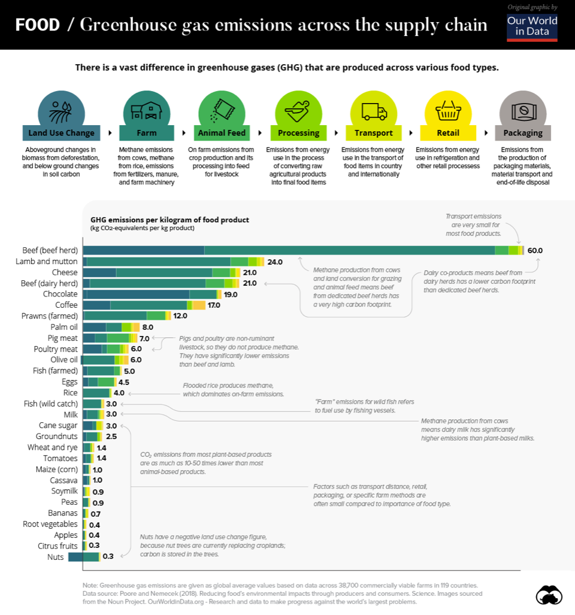
 | Background emission factor meat |  |  |  |  |  |  | Red meat | White meat
 |  | Indicator | Emission factor |  | Ratio | Source | Remark | Ratio
 |  | Beef | 40.5 | kg CO2 per kg | 33% | Poore and Nemecek (2018) - Reducing food's environmental impacts through producers and consumers | Average of beef herd and dairy herd | 50%
 |  | Lamb and mutton | 24.0 | kg CO2 per kg | 17% | Poore and Nemecek (2018) - Reducing food's environmental impacts through producers and consumers |  | 25%
 |  | Pig meat | 7.0 | kg CO2 per kg | 17% | Poore and Nemecek (2018) - Reducing food's environmental impacts through producers and consumers |  | 25%
 |  | Poultry meat | 6.0 | kg CO2 per kg | 33% | Poore and Nemecek (2018) - Reducing food's environmental impacts through producers and consumers |  |  | 100%
 |  | Combined emission factor of meat | 20.7 | kg CO2 per kg |  |  | Ratio based on expert opinion | 28.0 | 6.0

 | Background emission factor sauce/condiment
 |  | Indicator | Emission factor | unit | Ratio | Source | Remark
 |  | Tomato ketchup | 1.50 | kg CO2 / kg | 20% | Idemat2021
 |  | Tomato sauce | 4.03 | kg CO2 / kg | 20% | Idemat2021
 |  | Mustard | 0.22 | kg CO2 / kg | 20% | Idemat2021
 |  | Mayonnaise | 3.03 | kg CO2 / kg | 20% | Idemat2021
 |  | BBQ-sauce | 0.22 | kg CO2 / kg | 20% | Idemat2021
 |  | Combined emission factor of sauce/condiment | 1.80 | kg CO2 / kg |  |  | Ratio based on expert opinion

 | Background emission factor fruit
 |  | Indicator | Emission factor |  | Ratio | Source | Remark
 |  | Bananas | 0.21 | kg CO2 / kg | 33%
 |  | Apples | 0.28 | kg CO2 / kg | 33%
 |  | Strawberry | 0.00 | kg CO2 / kg | 33%
 |  | Fruit | 0.16 | kg CO2 / kg |  |  | Ratio based on expert opinion

 | Background emission factor fish
 |  | Indicator | Emission factor |  | Ratio | Source | Remark
 |  | Shrimps | 12.00 | kg CO2 / kg | 17% | Poore and Nemecek (2018) - Reducing food's environmental impacts through producers and consumers
 |  | Farmed fish | 5.00 | kg CO2 / kg | 50% | Poore and Nemecek (2018) - Reducing food's environmental impacts through producers and consumers
 |  | Caught fish | 3.00 | kg CO2 / kg | 33% | Poore and Nemecek (2018) - Reducing food's environmental impacts through producers and consumers
 |  | Fish | 5.5 | kg CO2 / kg |  |  | Ratio based on expert opinion

 | Background emission factor dairy
 |  | Indicator | Emission factor |  | Ratio | Source | Remark
 |  | Cheese | 6.96 | kg CO2 / kg | 50% | Ecoinvent 3.8, IPCC 2021 GWP100
 |  | Yoghurt | 1.09 | kg CO2 / kg | 50% | Ecoinvent 3.8, IPCC 2021 GWP100
 |  | Diary | 4.02 | kg CO2 / kg |  |  | Ratio based on expert opinion

 | Background emission factor coffee including dairy
 |  | Indicator | Emission factor |  | Ratio | Source | Remark
 |  | Milk | 0.83 | kg CO2 / kg milk |  | Ecoinvent 3.8, IPCC 2021 GWP100
 |  | Milk amount per L | 0.42 | kg milk per L coffee |  |  | Based on festival experience dta
 |  | Coffee grounds | 5.34 | kg CO2 / kg coffee |  | Ecoinvent 3.8, IPCC 2021 GWP100
 |  | Coffee grounds per L coffee | 0.11 | kg coffee / L coffee |  |  | Based on festival experience dta
 |  | Coffee NEW | 0.93 | kg CO2 / L coffee |  |  | Ratio based on expert opinion
 |  |  | 0.47
 | Background emission factor vegetables
 |  | Indicator | Emission factor |  | Ratio | Source | Remark
 |  | Avocado | 0.55 | kg CO2 / kg | 17% | Idemat2021
 |  | Bell pepper | 2.15 | kg CO2 / kg | 17% | Idemat2021
 |  | Cauliflower | 0.42 | kg CO2 / kg | 17% | Idemat2021
 |  | Cucumber | 3.31 | kg CO2 / kg | 17% | Idemat2021
 |  | Lettuce | 3.53 | kg CO2 / kg | 17% | Idemat2021
 |  | Tomato | 0.46 | kg CO2 / kg | 17% | Idemat2021
 |  | Vegetables | 1.73 | kg CO2 / kg |  |  | Ratio based on expert opinion

 | Background emission factor mixed drinks
 |  | Indicator | Emission factor |  | Ratio | Source | Remark
 |  | Soda | 0.39 |  | 70%
 |  | Spirit | 3.67 |  | 20%
 |  | Sugar | 0.41 |  | 10% | Ecoinvent 3.8, IPCC 2021 GWP100
 |  | Mixed drinks | 1.04 |  |  |  | Ratio based on expert opinion

 | Background emission factor meals
 |  | Indicator | Emission factor |  | Main | Carb | Side | Ratio
 |  | Meal impact
 |  | Super high | 20.03 |  | 32.25 | 1.61 | 1.96 | 60% | 30% | 10%
 |  | High | 7.48 |  | 11.33 | 1.61 | 1.96 | 60% | 30% | 10%
 |  | Medium | 3.01 |  | 5.50 | 1.61 | 1.96 | 35% | 55% | 10%
 |  | Low | 1.69 |  | 1.73 | 1.61 | 1.96 | 35% | 55% | 10%
 |  | Ultra-low | 0.81 |  | 0.47 | 0.89 | 1.96 | 45% | 45% | 10%

MATERIALS

 | Background emission factor plastic
 |  | Indicator | Emission factor |  | Ratio | Source | Remark
 | New Efs | PE (HDPE, High density Polyethylene) | 1.80 |  | 40% | Idemat2023
 |  | PP (Polypropylene) | 1.63 |  | 40% | Idemat2023
 |  | PS (GPPS, general purpose polystyrene) | 2.25 |  | 10% | Idemat2023
 |  | PVC (Polyvinylchloride, trade mix) | 2.10 |  | 10% | Idemat2023
 |  | Plastic | 1.81
 | Background emission factor plastic
 |  | Indicator | Ratio biobased vs fossil | Emission factor | Ratio | Source | Remark
 |  | PE (HDPE, High density Polyethylene) | 0.67320261438 | 1.21 | 40% | Greenhouse gas emissions and natural capital implications of plastics (including biobased plastics), Eionet Report – ETC/WMGE 2021/3 | Ratio of production and conversion of fossil (fig 2-5) and biobased (fig 3-1)
 |  | PP (Polypropylene) | 0.28758169935 | 0.47 | 40% | Greenhouse gas emissions and natural capital implications of plastics (including biobased plastics), Eionet Report – ETC/WMGE 2021/3 | Ratio of production and conversion of fossil (fig 2-5) and biobased (fig 3-1)
 |  | PS (GPPS, general purpose polystyrene) | 0.15035799523 | 0.34 | 10% | Greenhouse gas emissions and natural capital implications of plastics (including biobased plastics), Eionet Report – ETC/WMGE 2021/3 | Ratio of production and conversion of fossil (fig 2-5) and biobased (fig 3-1)
 |  | PVC (Polyvinylchloride, trade mix) | 0.47350993377 | 1.00 | 10% | Greenhouse gas emissions and natural capital implications of plastics (including biobased plastics), Eionet Report – ETC/WMGE 2021/3 | Ratio of production and conversion of fossil (fig 2-5) and biobased (fig 3-1)
 |  | Biobased plastic | 0.45

 | Background emission factor metals
 |  | Indicator | Emission factor |  | Ratio | Source | Remark
 |  | Copper | 4.19 |  | 95%
 |  | Magnesium | 26.48 |  | 5%
 |  | Other metals | 5.30

 | Weight of cups, tableware and
 |  | Indicator | Emission factor | Unit |  | Source | Remark
 |  | Weight of 1 item of reusable cups | 0.02 | kg / item |  | https://www.ecopack.pt/Festival-Reusable-Cup-300ml-PP |  |  | Weight of 1 item of reusable cups
 |  | Weight of 1 item of reusable tableware | 0.19 |  |  | https://www.mepal.com/nl/plat-bord-basic-p250-retro-green-102602093400?gclid=CjwKCAjwrranBhAEEiwAzbhNtaT3AiXrff0Oalr5eOrxRPZziw-xLrYNV5pQIH4b7B0bESIn_W1NaRoCiP4QAvD_BwE
 |  | Weight of 1 item of reusable cutlery | 0.007 | kg / itm |  | 20230317 Report reusable tableware at festivals VOOR PARTNERS DEF |  |  | https://gobambu.co.uk/products/bamboo-cutlery-set
 |  | Weight of 1 item of single-use cups | 0.0071 | kg / item |  | https://coposplastico.com/Cups-Desechables-500-ml-PP
 |  | Weight of 1 item of single-use tableware | 0.0093 | kg / item |  | https://www.sciencedirect.com/science/article/pii/S2352550920305777 |  |  | Weight of 1 item of reusable cutlery
 |  | Weight of 1 item of single-use cutlery | 0.0132 | kg / item |  | https://www.biofutura.com/en/fsc-bamboo-cutlery-set-17-cm

 |  | Transport, freight, lorry, unspecified | 0.13015647068 | tkg CO2-eq / tkm |  | Ecoinvent 3.8, IPCC 2021 GWP100 | Europe
 |  | Electricity, low voltage, Europe average | 0.39134119843 | kg CO2-eq / kWh |  | Ecoinvent 3.8, IPCC 2021 GWP100 | Europe
 |  | Electricity, high voltage, Europe average | 0.10493302841 | kg CO2-eq / MJ |  | Ecoinvent 3.8, IPCC 2021 GWP100 | Europe
 |  | Heat, dsitrict or industrial, Europe average | 0.070205996669 | kg CO2-eq / MJ |  | Ecoinvent 3.8, IPCC 2021 GWP100 | Europe
 |  | Diesel, burned in building machine | 0.091009716533 | kg CO2-eq / MJ |  | Ecoinvent 3.8, IPCC 2021 GWP100 | Europe

DIGITAL FOOTPRINT

 | Background emission factor social media
 |  | Indicator | Emission factor |  | Ratio | Source | Remark
 |  | Facebook | 9.82 | g CO2-eq / hr | 20% | The overlooked environmental footprint of increasing Internet use - ScienceDirect
 |  | Twitter | 22.66 | g CO2-eq / hr | 20% | The overlooked environmental footprint of increasing Internet use - ScienceDirect
 |  | Instagram | 6.29 | g CO2-eq / hr | 20% | The overlooked environmental footprint of increasing Internet use - ScienceDirect
 |  | Snapchat | 10.07 | g CO2-eq / hr | 20% | The overlooked environmental footprint of increasing Internet use - ScienceDirect
 |  | TikTok | 88.11 | g CO2-eq / hr | 20% | The overlooked environmental footprint of increasing Internet use - ScienceDirect
 |  | Social media | 0.03 | kg CO2-eq / hr

 | Background emission factor app sessions
 |  | Indicator | Emission factor |  | Ratio | Source | Remark
 |  | WhatsApp | 25.18 | g CO2-eq / hr | 95% | The overlooked environmental footprint of increasing Internet use - ScienceDirect
 |  | WeChat | 6.92 | g CO2-eq / hr | 5% | The overlooked environmental footprint of increasing Internet use - ScienceDirect
 |  | App sessions | 0.02 | kg CO2-eq / hr

 | Background emission factor data stored
 |  | Indicator | Emission factor |  | Ratio | Source | Remark
 |  | Data centers | 0.01 | kWh / GB |  | The carbon footprint of streaming video: fact-checking the headlines – Analysis - IEA
 |  | Transmission | 0.06 | kWh / GB
 |  | Data center and transmission | 0.07
 |  | Electricity global | 6.92 | g CO2-eq / kWh |  | The overlooked environmental footprint of increasing Internet use - ScienceDirect
 |  | App sessions | 0.00 | kg CO2-eq / GB

 | Split PMD waste
 |  | Plastics | 81%
 |  | Metals | 19%

 | Split post-separation
 |  | Percentage PMD from post-separation | 0.3

 | Digital footprint |  |  | MB per FU | GB per FU | kWh / GB | kg CO2 / kWh | kg CO2 / GB | kg CO2 per X
 |  |  | 1 unit
 |  | Number of EMAILS sent | 1 email | 0.15 | 0.0002 | 0.07 | 0.3852199682 | 0.03 | 0.00000
 |  | Number of APP SESSIONS | 1 app session | 3 | 0.0030 | 0.07 | 0.3852199682 | 0.026965397774 | 0.00008
 |  | Number of views on SOCIAL MEDIA | 1 view | 4.1333333333 | 0.0041 | 0.07 | 0.3852199682 | 0.026965397774 | 0.00011
 |  | Amount of STORED DATA | 1 gb | 1000 | 1.0000 | 0.07 | 0.3852199682 | 0.026965397774 | 0.02697

 |  | Video
 |  |  |  | 0.5 | gb per hour
 |  |  |  | 0.0083333333333 | gb per minute
 |  |  |  | 2 | length social media video

 |  |  |  | 0.016666666667 | gb per video
 |  |  |  | 0.001 | gb per image

 |  |  |  | 20% | video
 |  |  |  | 80% | image / text

 |  |  |  | 0.0041333333333 | gb per view

